N2O Emission - Surface Aeration
 |  | As part of: "A practical protocol to monitor and quantify nitrous oxide (N2O) emissions from full-scale wastewater treatment plants "
 |  | Input |  |  |  | Input
 |  | Calculations |  |  |  | Calculations
 |  | Constants |  |  |  | Constants
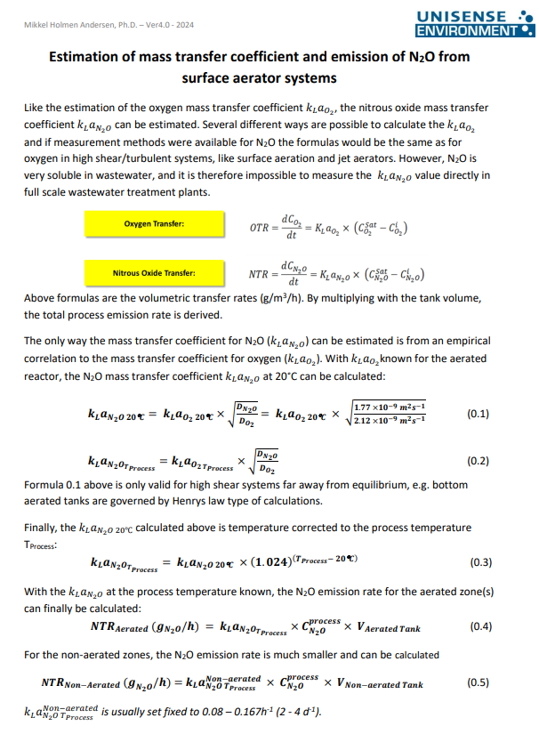
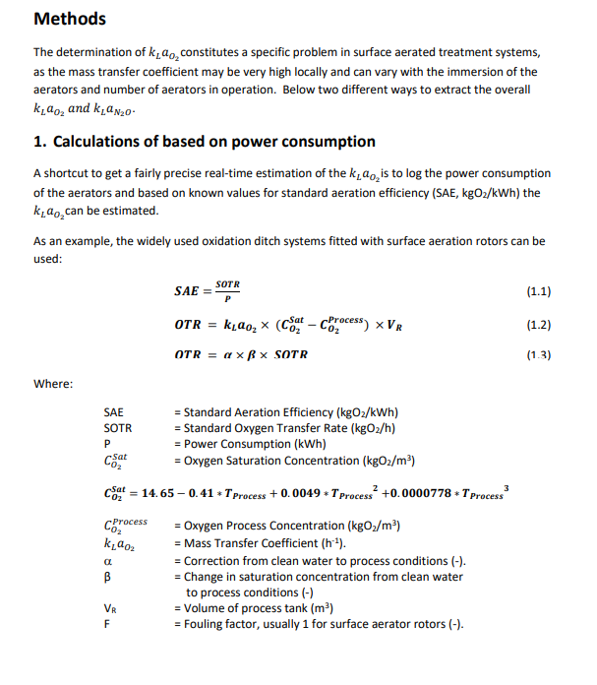
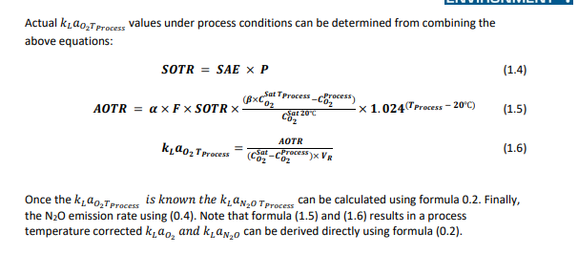
 | Method 6.2.1 |  |  |  | Method 6.2.2
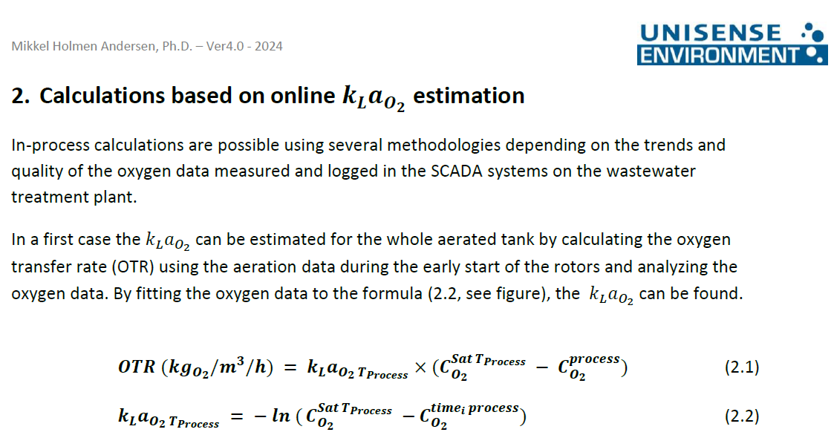
 | Constant name | Unit | Note | Value | Constant name | Unit | Note | Value
 | Tprocess | °C | Process temperature measured | 22.0 | Tprocess | °C | Process temperature measured | 22.0
 | P | kWh | Power consumption (rotors) | 66 | TꝊ | °C | Standard temperature | 20
 | SAE | kgO2/kWh | Standard aeration efficiency | 1.8 | α | (-) | Correction from clean water to process conditions | 1
 | Vaerated | m3 | Volume of process tank | 4000 | β | (-) | Change in saturation concentration from clean water to process conditions | 0.95
 | CN2OSat | gN-N2O/m3 (mgN-N2O/L) | Nitrous oxide in equilibrium with air (assumed constant, See Chapter 3 for Temperature-dependence calculation, Eq. 1.5) | 0.0003
 | CN2OProcess | gN-N2O/m3 (mgN-N2O/L) | Nitrous oxide liquid phase concentration | 0.1 | F | (-) | Fouling factor, usually 1 for surface aerator rotors | 1
 | Non-aerated zones | Unit | Note | Value | CO2Sat(20°C) | kgO2/m3 | Oxygen Saturation Concentration | 0.00903
 | CN2O,non-aeratedProcess | gN-N2O/m3 (mgN-N2O/L) | Nitrous oxide liquid phase concentration | 0.01 | CO2Sat_Tprocess | kgO2/m3 | Oxygen Saturation Concentration | 0.00883
 | kLaNon-aerated process | day-1 | 2-4 day-1 | 3
 | Non-aerated field size | m2 | Total area of non-aeration | 162 | Case 1: Early start of rotors
 | DR,Non-aerated | m | Depth reactor | 5.5
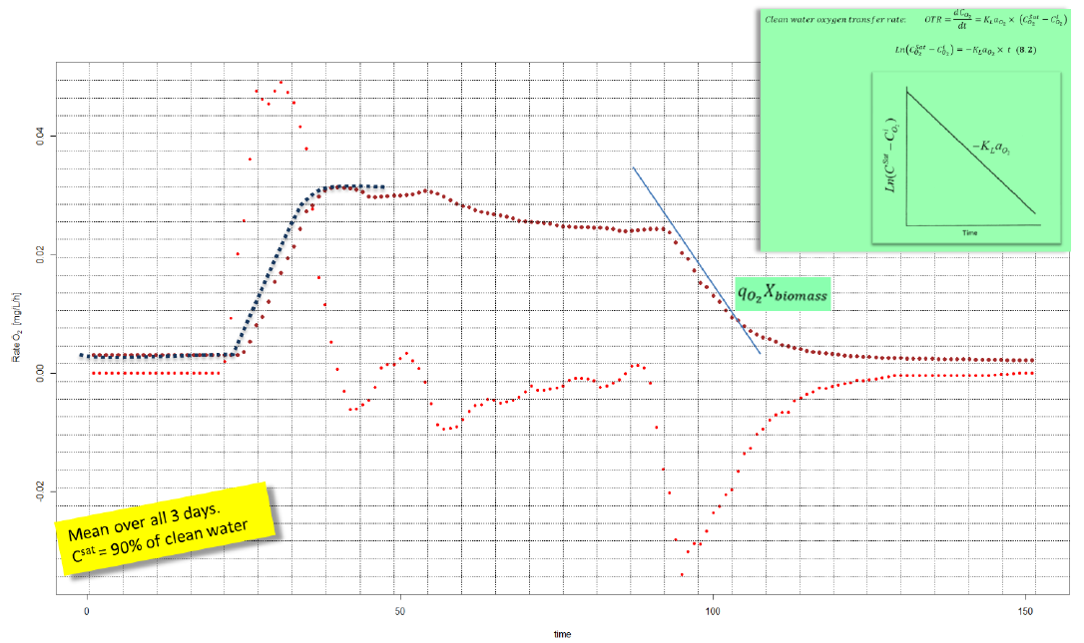
 | VR,Non-aerated | m3 | Volume of non-aerated part of the reactor | 891.0 | CO2Process | kgO2/m3 | Oxygen Process Concentration | See "CO2,Process,time.i" below
 | Constant name | Unit | Note | Value | KLaO2 Tprocess | h-1 | Mass transfer coefficient | Eq (2.2.)
 | TꝊ | °C | Standard temperature | 20 |  |  | = - Slope of Ln(CO2.Sat_Tprocess) vs time | #VALUE! | To be calculated
 | α | (-) | Correction from clean water to process conditions | 1 | time | CO2Process, time.i | (CO2Sat_Tprocess - CO2Process, time.i)
 | β | (-) | Change in saturation concentration from clean water to process conditions | 0.95 | h | kgO2/m3 | kgO2/m3
 | F | (-) | Fouling factor, usually 1 for surface aerator rotors | 1 | … | … | …
 | DN2O | m2/s | Diffusion coefficient | 1.77E-09 | … | … | …
 | DO2 | m2/s | Diffusion coefficient | 2.12E-09 | … | … | …
 | CO2Process | mg/L | Oxygen Process Concentration | 0
 | CO2Sat(20°C) | kgO2/m3 | Oxygen Saturation Concentration | 0.0090324 | Case 2: Steady dissolved oxygen AND end of rotor operation
 | CO2Sat_Tprocess | kgO2/m3 | Oxygen Saturation Concentration | 0.0088300144 | Aerated zone
 |  |  |  |  | qO2 ∙ XBiomass | kgO2/(m3∙h) | Oxygen uptake rate (end of rotor operation) | Eq (2.3.)
Formula | Aerated zone |  |  |  |  |  | = Slope of CO2Process,time.i vs time | 1.234
1.4 | SOTR | kgO2/h | Standard oxygen transfer rate | 118.80 | CO2Process | kgO2/m3 | Oxygen Process Concentration (average of at least 10 minutes, ~ pseudo steady level) | 0.00201 | Example, assumed
1.5 | AOTR | kgO2/h | Actual Oxygen Transfer Rate | 115.69 | KLaO2 Tprocess | h-1 | Mass transfer coefficient | 180.94
1.6 | KLaO2 Tprocess | h-1 | Mass transfer coefficient | 3.28
0.2 | KLaN2O Tprocess | h-1 | Mass transfer coefficient | 2.99
0.4 | NTRAerated | gN-N2O/h | N2O Emission rate | 1193.58
 | Emission | kgN-N2O/day | N2O Emission rate | 28.65
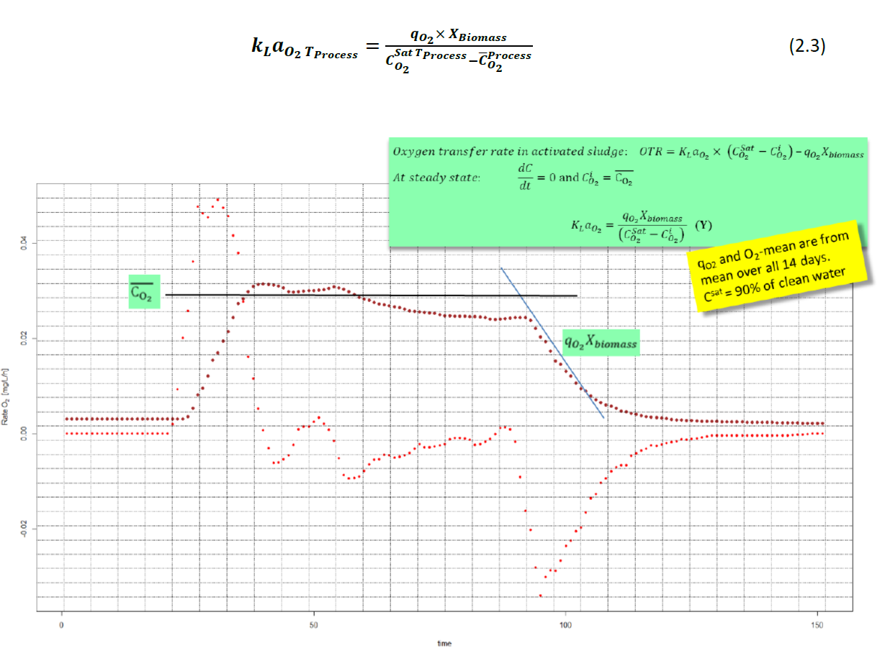

Formula | Non-erated zone
0.5 | Emission | kgN-N2O/day | N2O Emission rate | 0.026

 | Total tank emission | kgN-N2O/day | N2O Emission rate | 28.672

6.2.2. Linear Regression
Date | time | DO | OUR | R2 |  |  | INPUTS
 | (min) | (gO2/m3) | (gO2/(m3∙min)) | To ensure regression is linear, R2 > 0.95
2018-04-23 10:00:00 | 0.0 | 5.43 |  |  | Max. OUR | Aeration stopped at approximately t = 49 minutes.
2018-04-23 10:00:30 | 0.5 | 5.41 | 0.022 |  | 1.02 | Ensure the linear regresion captures all the non-aerated points until OUR is DO-limited, approximately t = 54 minutes.
2018-04-23 10:01:00 | 1.0 | 5.41 | 0.031 |  | (gO2/(m3∙min))
 | DO |  | OUR |  | R2
0.0 | 5.43 | 0.0 |  | 1.5 | 0.85
0.5 | 5.41 | 0.5 | 0.022 | 2.0 | 0.98
1.0 | 5.41 | 1.0 | 0.031 | 2.5 | 0.99
1.5 | 5.44 | 1.5 | 0.038 | 3.0 | 0.98
2.0 | 5.47 | 2.0 | 0.051 | 3.5 | 0.92
2.5 | 5.50 | 2.5 | 0.053 | 4.0 | 0.65
3.0 | 5.53 | 3.0 | 0.049 | 4.5 | 0.00
3.5 | 5.55 | 3.5 | 0.039 | 5.0 | 0.49
4.0 | 5.57 | 4.0 | 0.023 | 5.5 | 0.83
4.5 | 5.58 | 4.5 | 0.001 | 6.0 | 0.90
5.0 | 5.58 | 5.0 | -0.021 | 6.5 | 0.65
5.5 | 5.56 | 5.5 | -0.034 | 7.0 | 0.22
6.0 | 5.52 | 6.0 | -0.037 | 7.5 | 0.11
6.5 | 5.49 | 6.5 | -0.027 | 8.0 | 0.88
7.0 | 5.48 | 7.0 | -0.011 | 8.5 | 0.97
7.5 | 5.49 | 7.5 | 0.005 | 9.0 | 0.96
8.0 | 5.51 | 8.0 | 0.017 | 9.5 | 0.96
8.5 | 5.52 | 8.5 | 0.023 | 10.0 | 0.99
9.0 | 5.52 | 9.0 | 0.026 | 10.5 | 0.97
9.5 | 5.54 | 9.5 | 0.029 | 11.0 | 0.81
10.0 | 5.56 | 10.0 | 0.032 | 11.5 | 0.13
10.5 | 5.58 | 10.5 | 0.030 | 12.0 | 0.28
11.0 | 5.59 | 11.0 | 0.021 | 12.5 | 0.77
11.5 | 5.60 | 11.5 | 0.006 | 13.0 | 0.87
12.0 | 5.61 | 12.0 | -0.011 | 13.5 | 0.42
12.5 | 5.60 | 12.5 | -0.024 | 14.0 | 0.00
13.0 | 5.57 | 13.0 | -0.027 | 14.5 | 0.44
13.5 | 5.54 | 13.5 | -0.017 | 15.0 | 0.65
14.0 | 5.53 | 14.0 | 0.001 | 15.5 | 0.35
14.5 | 5.54 | 14.5 | 0.015 | 16.0 | 0.00
15.0 | 5.57 | 15.0 | 0.019 | 16.5 | 0.66
15.5 | 5.60 | 15.5 | 0.013 | 17.0 | 0.95
16.0 | 5.59 | 16.0 | 0.000 | 17.5 | 0.89
16.5 | 5.58 | 16.5 | -0.013 | 18.0 | 0.88
17.0 | 5.57 | 17.0 | -0.024 | 18.5 | 0.92
17.5 | 5.56 | 17.5 | -0.034 | 19.0 | 0.96
18.0 | 5.55 | 18.0 | -0.048 | 19.5 | 0.99
18.5 | 5.52 | 18.5 | -0.066 | 20.0 | 1.00
19.0 | 5.48 | 19.0 | -0.085 | 20.5 | 0.99
19.5 | 5.43 | 19.5 | -0.099 | 21.0 | 0.92
20.0 | 5.37 | 20.0 | -0.104 | 21.5 | 0.67
20.5 | 5.31 | 20.5 | -0.098 | 22.0 | 0.11
21.0 | 5.26 | 21.0 | -0.079 | 22.5 | 0.31
21.5 | 5.22 | 21.5 | -0.048 | 23.0 | 0.86
22.0 | 5.19 | 22.0 | -0.013 | 23.5 | 0.99
22.5 | 5.21 | 22.5 | 0.020 | 24.0 | 0.99
23.0 | 5.24 | 23.0 | 0.047 | 24.5 | 1.00
23.5 | 5.27 | 23.5 | 0.065 | 25.0 | 1.00
24.0 | 5.30 | 24.0 | 0.074 | 25.5 | 0.98
24.5 | 5.34 | 24.5 | 0.078 | 26.0 | 0.84
...
2018-04-23 10:01:30 | 1.5 | 5.44 | 0.038 | 0.85
2018-04-23 10:02:00 | 2.0 | 5.47 | 0.051 | 0.98
2018-04-23 10:02:30 | 2.5 | 5.50 | 0.053 | 0.99
2018-04-23 10:03:00 | 3.0 | 5.53 | 0.049 | 0.98
2018-04-23 10:03:30 | 3.5 | 5.55 | 0.039 | 0.92
2018-04-23 10:04:00 | 4.0 | 5.57 | 0.023 | 0.65
2018-04-23 10:04:30 | 4.5 | 5.58 | 0.001 | 0.00
2018-04-23 10:05:00 | 5.0 | 5.58 | -0.021 | 0.49
2018-04-23 10:05:30 | 5.5 | 5.56 | -0.034 | 0.83
2018-04-23 10:06:00 | 6.0 | 5.52 | -0.037 | 0.90
2018-04-23 10:06:30 | 6.5 | 5.49 | -0.027 | 0.65
2018-04-23 10:07:00 | 7.0 | 5.48 | -0.011 | 0.22
2018-04-23 10:07:30 | 7.5 | 5.49 | 0.005 | 0.11
2018-04-23 10:08:00 | 8.0 | 5.51 | 0.017 | 0.88
2018-04-23 10:08:30 | 8.5 | 5.52 | 0.023 | 0.97
2018-04-23 10:09:00 | 9.0 | 5.52 | 0.026 | 0.96
2018-04-23 10:09:30 | 9.5 | 5.54 | 0.029 | 0.96
2018-04-23 10:10:00 | 10.0 | 5.56 | 0.032 | 0.99
2018-04-23 10:10:30 | 10.5 | 5.58 | 0.030 | 0.97
2018-04-23 10:11:00 | 11.0 | 5.59 | 0.021 | 0.81
2018-04-23 10:11:30 | 11.5 | 5.60 | 0.006 | 0.13
2018-04-23 10:12:00 | 12.0 | 5.61 | -0.011 | 0.28
2018-04-23 10:12:30 | 12.5 | 5.60 | -0.024 | 0.77
2018-04-23 10:13:00 | 13.0 | 5.57 | -0.027 | 0.87
2018-04-23 10:13:30 | 13.5 | 5.54 | -0.017 | 0.42
2018-04-23 10:14:00 | 14.0 | 5.53 | 0.001 | 0.00
2018-04-23 10:14:30 | 14.5 | 5.54 | 0.015 | 0.44
2018-04-23 10:15:00 | 15.0 | 5.57 | 0.019 | 0.65
2018-04-23 10:15:30 | 15.5 | 5.60 | 0.013 | 0.35
2018-04-23 10:16:00 | 16.0 | 5.59 | 0.000 | 0.00
2018-04-23 10:16:30 | 16.5 | 5.58 | -0.013 | 0.66
2018-04-23 10:17:00 | 17.0 | 5.57 | -0.024 | 0.95
2018-04-23 10:17:30 | 17.5 | 5.56 | -0.034 | 0.89
2018-04-23 10:18:00 | 18.0 | 5.55 | -0.048 | 0.88
2018-04-23 10:18:30 | 18.5 | 5.52 | -0.066 | 0.92
2018-04-23 10:19:00 | 19.0 | 5.48 | -0.085 | 0.96
2018-04-23 10:19:30 | 19.5 | 5.43 | -0.099 | 0.99
2018-04-23 10:20:00 | 20.0 | 5.37 | -0.104 | 1.00
2018-04-23 10:20:30 | 20.5 | 5.31 | -0.098 | 0.99
2018-04-23 10:21:00 | 21.0 | 5.26 | -0.079 | 0.92
2018-04-23 10:21:30 | 21.5 | 5.22 | -0.048 | 0.67
2018-04-23 10:22:00 | 22.0 | 5.19 | -0.013 | 0.11
2018-04-23 10:22:30 | 22.5 | 5.21 | 0.020 | 0.31
2018-04-23 10:23:00 | 23.0 | 5.24 | 0.047 | 0.86
2018-04-23 10:23:30 | 23.5 | 5.27 | 0.065 | 0.99
2018-04-23 10:24:00 | 24.0 | 5.30 | 0.074 | 0.99
2018-04-23 10:24:30 | 24.5 | 5.34 | 0.078 | 1.00
2018-04-23 10:25:00 | 25.0 | 5.38 | 0.079 | 1.00
2018-04-23 10:25:30 | 25.5 | 5.43 | 0.072 | 0.98
2018-04-23 10:26:00 | 26.0 | 5.47 | 0.053 | 0.84
2018-04-23 10:26:30 | 26.5 | 5.50 | 0.024 | 0.35
2018-04-23 10:27:00 | 27.0 | 5.51 | -0.008 | 0.06
2018-04-23 10:27:30 | 27.5 | 5.49 | -0.034 | 0.67
2018-04-23 10:28:00 | 28.0 | 5.45 | -0.047 | 0.94
2018-04-23 10:28:30 | 28.5 | 5.41 | -0.044 | 0.90
2018-04-23 10:29:00 | 29.0 | 5.39 | -0.030 | 0.71
2018-04-23 10:29:30 | 29.5 | 5.38 | -0.013 | 0.39
2018-04-23 10:30:00 | 30.0 | 5.39 | -0.001 | 0.01
2018-04-23 10:30:30 | 30.5 | 5.40 | 0.004 | 0.57
2018-04-23 10:31:00 | 31.0 | 5.40 | -0.001 | 0.01
2018-04-23 10:31:30 | 31.5 | 5.40 | -0.007 | 0.45
2018-04-23 10:32:00 | 32.0 | 5.39 | -0.008 | 0.59
2018-04-23 10:32:30 | 32.5 | 5.38 | -0.002 | 0.03
2018-04-23 10:33:00 | 33.0 | 5.37 | 0.007 | 0.19
2018-04-23 10:33:30 | 33.5 | 5.38 | 0.017 | 0.66
2018-04-23 10:34:00 | 34.0 | 5.41 | 0.031 | 0.91
2018-04-23 10:34:30 | 34.5 | 5.42 | 0.042 | 0.97
2018-04-23 10:35:00 | 35.0 | 5.44 | 0.048 | 0.98
2018-04-23 10:35:30 | 35.5 | 5.47 | 0.050 | 0.98
2018-04-23 10:36:00 | 36.0 | 5.50 | 0.045 | 0.93
2018-04-23 10:36:30 | 36.5 | 5.53 | 0.032 | 0.75
2018-04-23 10:37:00 | 37.0 | 5.54 | 0.017 | 0.52
2018-04-23 10:37:30 | 37.5 | 5.54 | 0.006 | 0.22
2018-04-23 10:38:00 | 38.0 | 5.53 | 0.001 | 0.03
2018-04-23 10:38:30 | 38.5 | 5.53 | 0.003 | 0.16
2018-04-23 10:39:00 | 39.0 | 5.53 | 0.011 | 0.72
2018-04-23 10:39:30 | 39.5 | 5.54 | 0.017 | 0.96
2018-04-23 10:40:00 | 40.0 | 5.55 | 0.018 | 0.98
2018-04-23 10:40:30 | 40.5 | 5.56 | 0.018 | 0.98
2018-04-23 10:41:00 | 41.0 | 5.57 | 0.015 | 0.92
2018-04-23 10:41:30 | 41.5 | 5.58 | 0.006 | 0.36
2018-04-23 10:42:00 | 42.0 | 5.58 | -0.003 | 0.09
2018-04-23 10:42:30 | 42.5 | 5.58 | -0.012 | 0.61
2018-04-23 10:43:00 | 43.0 | 5.57 | -0.020 | 0.89
2018-04-23 10:43:30 | 43.5 | 5.55 | -0.025 | 0.98
2018-04-23 10:44:00 | 44.0 | 5.54 | -0.024 | 0.97
2018-04-23 10:44:30 | 44.5 | 5.52 | -0.016 | 0.81
2018-04-23 10:45:00 | 45.0 | 5.52 | -0.004 | 0.08
2018-04-23 10:45:30 | 45.5 | 5.51 | 0.013 | 0.33
2018-04-23 10:46:00 | 46.0 | 5.52 | 0.030 | 0.77
2018-04-23 10:46:30 | 46.5 | 5.55 | 0.044 | 0.93
2018-04-23 10:47:00 | 47.0 | 5.58 | 0.052 | 0.99
2018-04-23 10:47:30 | 47.5 | 5.61 | 0.060 | 0.99
2018-04-23 10:48:00 | 48.0 | 5.64 | 0.071 | 0.96
2018-04-23 10:48:30 | 48.5 | 5.66 | 0.078 | 0.97
2018-04-23 10:49:00 | 49.0 | 5.71 | 0.060 | 0.77
2018-04-23 10:49:30 | 49.5 | 5.78 | -0.013 | 0.02
2018-04-23 10:50:00 | 50.0 | 5.81 | -0.173 | 0.45
2018-04-23 10:50:30 | 50.5 | 5.74 | -0.402 | 0.72
2018-04-23 10:51:00 | 51.0 | 5.49 | -0.650 | 0.88
2018-04-23 10:51:30 | 51.5 | 5.01 | -0.860 | 0.96
2018-04-23 10:52:00 | 52.0 | 4.46 | -0.989 | 0.99
2018-04-23 10:52:30 | 52.5 | 3.89 | -1.017 | 1.00
2018-04-23 10:53:00 | 53.0 | 3.37 | -0.961 | 0.99
2018-04-23 10:53:30 | 53.5 | 2.91 | -0.869 | 0.99
2018-04-23 10:54:00 | 54.0 | 2.51 | -0.765 | 0.99
2018-04-23 10:54:30 | 54.5 | 2.15 | -0.666 | 0.99
2018-04-23 10:55:00 | 55.0 | 1.85 | -0.578 | 0.99
2018-04-23 10:55:30 | 55.5 | 1.59 | -0.498 | 0.98
2018-04-23 10:56:00 | 56.0 | 1.36 | -0.428 | 0.98
2018-04-23 10:56:30 | 56.5 | 1.16 | -0.365 | 0.98
2018-04-23 10:57:00 | 57.0 | 1.01 | -0.309 | 0.98
2018-04-23 10:57:30 | 57.5 | 0.86 | -0.260 | 0.98
2018-04-23 10:58:00 | 58.0 | 0.75 | -0.219 | 0.98
2018-04-23 10:58:30 | 58.5 | 0.65 | -0.186 | 0.98
2018-04-23 10:59:00 | 59.0 | 0.57 | -0.158 | 0.98
2018-04-23 10:59:30 | 59.5 | 0.50 | -0.136 | 0.98
2018-04-23 11:00:00 | 60.0 | 0.44 | -0.117 | 0.98
2018-04-23 11:00:30 | 60.5 | 0.38 | -0.100 | 0.98
2018-04-23 11:01:00 | 61.0 | 0.34 | -0.085 | 0.98
2018-04-23 11:01:30 | 61.5 | 0.30 | -0.072 | 0.98
2018-04-23 11:02:00 | 62.0 | 0.27 | -0.061 | 0.98
2018-04-23 11:02:30 | 62.5 | 0.24 | -0.052 | 0.98
2018-04-23 11:03:00 | 63.0 | 0.22 | -0.044 | 0.99
2018-04-23 11:03:30 | 63.5 | 0.20 | -0.039 | 0.99
2018-04-23 11:04:00 | 64.0 | 0.18 | -0.035 | 0.99
2018-04-23 11:04:30 | 64.5 | 0.17 | -0.031 | 0.99
2018-04-23 11:05:00 | 65.0 | 0.15 | -0.027 | 0.98
2018-04-23 11:05:30 | 65.5 | 0.14 | -0.022 | 0.96
2018-04-23 11:06:00 | 66.0 | 0.13 | -0.018 | 0.94
2018-04-23 11:06:30 | 66.5 | 0.12 | -0.014 | 0.95
2018-04-23 11:07:00 | 67.0 | 0.12 | -0.011 | 0.99
2018-04-23 11:07:30 | 67.5 | 0.11 | -0.010 | 0.99
2018-04-23 11:08:00 | 68.0 | 0.11 | -0.009 | 0.99
2018-04-23 11:08:30 | 68.5 | 0.10 | -0.008 | 0.99
2018-04-23 11:09:00 | 69.0 | 0.10 | -0.008 | 0.98
2018-04-23 11:09:30 | 69.5 | 0.09 | -0.006 | 0.97
2018-04-23 11:10:00 | 70.0 | 0.09 | -0.005 | 0.97
2018-04-23 11:10:30 | 70.5 | 0.09 | -0.005 | 0.98
2018-04-23 11:11:00 | 71.0 | 0.09 | -0.005 | 0.98
2018-04-23 11:11:30 | 71.5 | 0.08 | -0.004 | 0.98
2018-04-23 11:12:00 | 72.0 | 0.08 | -0.004 | 0.98
2018-04-23 11:12:30 | 72.5 | 0.08 | -0.004 | 0.99
2018-04-23 11:13:00 | 73.0 | 0.08 | -0.004 | 0.98
2018-04-23 11:13:30 | 73.5 | 0.08 | -0.003 | 0.95
2018-04-23 11:14:00 | 74.0 | 0.07 | -0.003 | 0.92
2018-04-23 11:14:30 | 74.5 | 0.07 | -0.002 | 0.89
2018-04-23 11:15:00 | 75.0 | 0.07 | -0.002 | 0.93
2018-04-23 11:15:30 | 75.5 | 0.07 | -0.001 | 0.95

